component
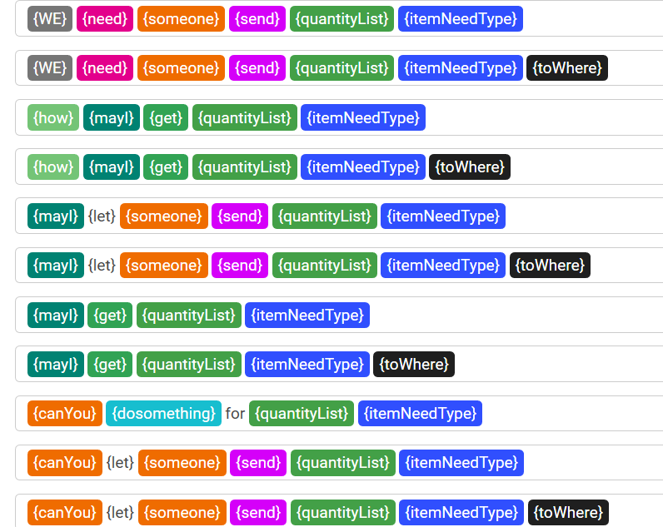
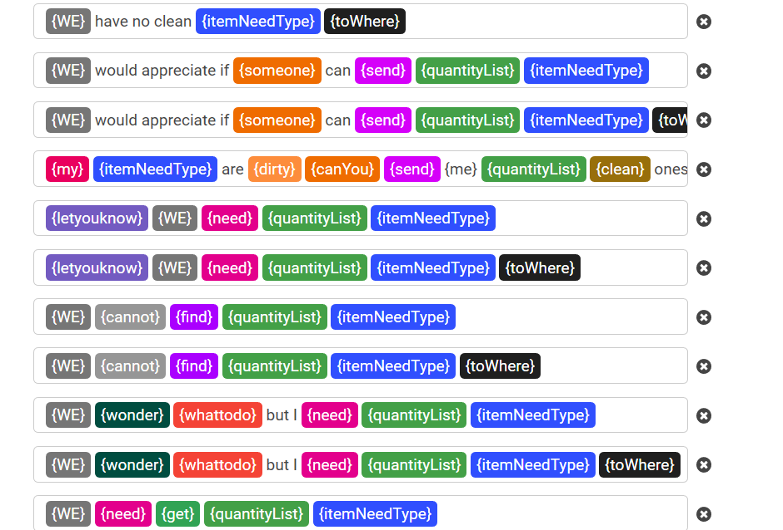
definition | value | note
WE | we, I , our room, my room, the room
cannot | can't, can not, couldn't, could not, don't, do not
MayI | may I, may we, can I, can we, could I, could we, will I, will we, do I, do we
canYou | can you, could you, would you, will you, do you, please
how | how, what, where, who
wonder | are not sure, am not sure, not sure, do not know, don't know, ask for, asking for
someone | someone, room attendant, room cleaner, housekeeper, maid
need | need, desire, prefer, want, would like, ask to, love to, like to, would appreciate, calling to, in need of | need something need (to) do something
find | find, see, locate, seem to have, have, pinpoint
get | get, receive, fetch, have, replace, require, acquire, order
send | send, give, bring, replace, deliver, restock, gather, take, refill, pick up, provide, carry, exchange, have, drop off, replenish, take away
let | let, have, get
dirty | dirty, stained, old, used, spoiled
clean | clean, new, another, fresh
my | my, our, all of our, all of my, all of
me | me, us, my room, our room, the room
toWhere | for {me}, to {me} to be sent to {me}, to be sent up to {me}, to be dropped off, to be refreshed, to be replaced left, in my room
whatToDo | what to do, what the method is, what the routine is, what the policy is, who is the correct department, what the proper way is, what the procedure is, what the process is, what the step is who is the right person, who to call, who to contact,
dosomething | connect me with the right person, put me through the correct department
letyouknow | to let you know, want to let you know, just want to let you know, just let you know, just to let you know
thanks | thank you very much, thank you so much, thanks, thank you

